SOURCES
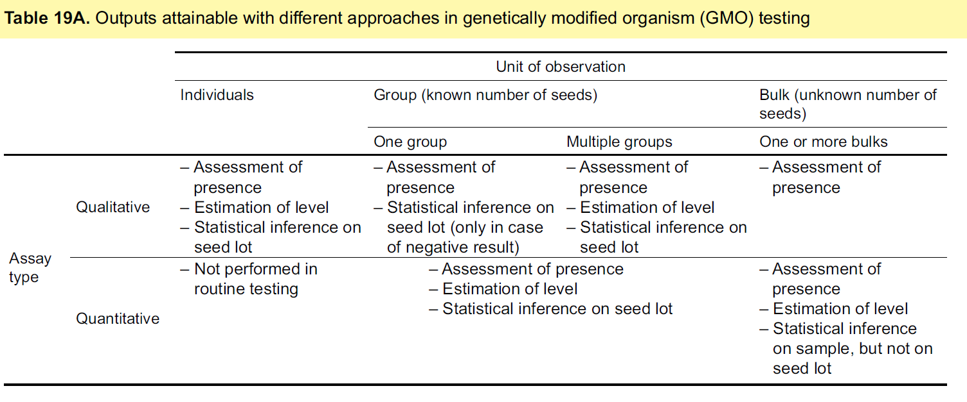
SOURCES used for establishing the List of Standard Terms
BCH Gene and DNA Sequence Registry (https://bch.cbd.int)
EUGINIUS (http://www.euginius.eu)
ISAAA (http://www.isaaa.org/gmapprovaldatabase/geneslist/default.asp)
OECD Biotrack Database (https://biotrackproductdatabase.oecd.org)

